Instructions
 | The purpose of this workbook is to help complete the Walgreens Vaccination Form for all Residents and Staff easily and efficiently
Instructions:
1 | Populate all columns on the "Data Input" tab with information from your staff and residents
 | Do not leave any cells blank
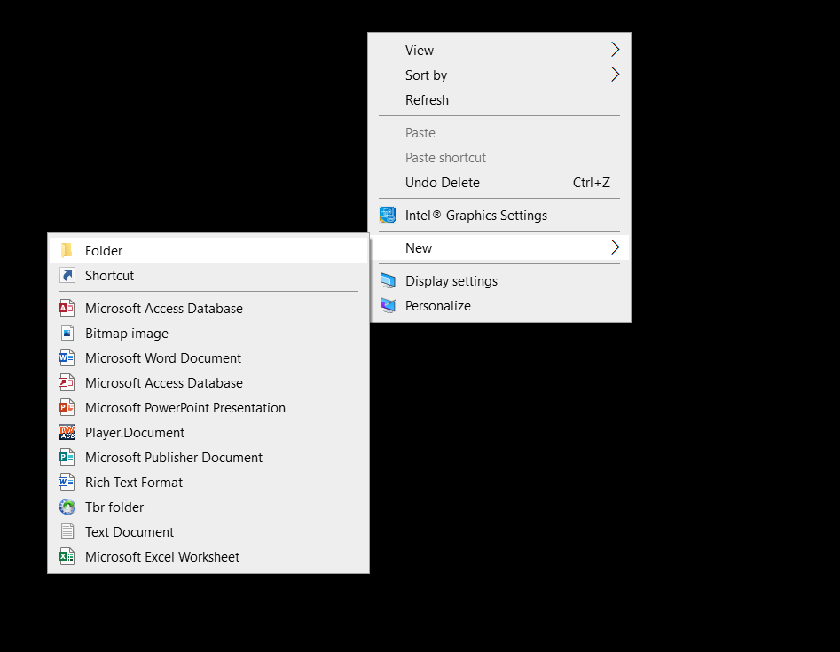
 | If the answer is N/A - put N/A

2 | Create a New Folder on your desktop and name it "Walgreens Forms"
 |  | Do this by Right Clicking your desktop
 |  | Go to New
 |  | Click on Folder
 | See picture on right for instructions

3 | Copy the Address of the folder
 | To get Address -
 | Open the folder
 | Click the bar with the folder destination and copy the text
 | It should look similar to the highlighted address on right

4 | Open "Form" Tab
5 | Click the big blue button that says "RUN"
6 | An Input box will appear asking for the address that was copied in step 3
 | Paste the address in the box

7 | Let the computer run its course, when the MACRO is complete the final name entered on the data tab will appear on the form
8 | Go to the folder on your desktop and all Employees/Residents entered on the "Data Input" tab will be individually saved in PDF and complete

9 | NOTE: All checkboxes and Wet Signatures will need to be done manually by the employee/residents/representative

10 | Any questions feel free to call me - Abie Cooperberg - 516-672-9928

Form
Vaccine Administration Record (VAR)
Informed Consent for Vaccination in Long Term Care Facility (LTCF)

SECTION A-1 Please print clearly.
First name: |  |  |  |  |  | Last name:

Date of birth: |  |  | Age: | 120 | Gender: | Female | Male Phone:
RUN
LTCF Name: |  |  |  |  |  | Address:
City: |  | State: |  | ZIP code: |  | Patient Email address:
I want to receive the following vaccination(s): COVID-19 Vaccination
SECTION A-2 I certify that I am: (a) the patient and at least 18 years of age; (b) the legal guardian of the patient; or (c) a person authorized to consent on behalf of the patient where the patient is not otherwise competent or unable to consent for themselves. Further, I hereby give my consent to Walgreens or Duane Reade and the licensed healthcare professional administering the vaccine, as applicable (each an “applicable Provider”), to administer the vaccine(s)) I have requested above. I understand that it is not possible to predict all possible side effects or complications associated with receiving vaccine(s). I understand the risks and benefits associated with the above vaccine(s) and have received, read and/or had explained to me the EUA Fact Sheet on the vaccine(s) I have elected to receive. I also acknowledge that I have had a chance to ask questions and that such questions were answered to my satisfaction. Further, I acknowledge that I have been advised that the patient should remain near the vaccination location for observation for approximately 15 minutes after administration. On behalf of the patient, the patient’s heirs and personal representatives, I hereby release and hold harmless each applicable Provider, its staff, agents, successors, divisions, affiliates, subsidiaries, officers, directors, contractors and employees from any and all liabilities or claims whether known or unknown arising out of, in connection with, or in any way related to the administration of the vaccine(s) listed above.
I acknowledge that: (a) I understand the purposes/benefits of my state’s vaccination registry (“State Registry”) and my state’s health information exchange (“State HIE”); and (b) the applicable Provider may disclose my vaccination information to the State Registry, to the State HIE, or through the State HIE to the State Registry, or to any state or federal governmental agencies or authorities (“Government Agencies”), such as state, county, or local Departments of Health or the federal Department of Health and Human Services, the Center for Disease Control and Prevention, or their respective designees as may be required by law, for purposes of public health reporting, or to my healthcare providers enrolled in the State Registry and/or State HIE for purposes of care coordination. I acknowledge that, depending upon my state’s law, I may prevent, by using a state-approved opt-out form or, as permitted by my state law, an opt-out form (“Opt- Out Form”) furnished by the applicable Provider: (a) the disclosure of my vaccination information by the applicable Provider to the State HIE and/or State Registry; or (b) the State HIE and/or State Registry from sharing my vaccination information with any of my other healthcare providers enrolled in the State Registry and/or State HIE. The applicable Provider will, if my state permits, provide me with an Opt-Out Form. I understand that, depending on my state’s law, I may need to specifically consent, and, to the extent required by my state’s law, by signing below, I hereby do consent to the applicable Provider reporting my vaccination information to the Government Agencies, State HIE, or through the State HIE and/or State Registry to the entities and for the purposes described in this Informed Consent form. Unless I provide the applicable Provider with a signed Opt-Out Form, I understand that my consent will remain in effect until I withdraw my permission and that I may withdraw my consent by providing a
I understand that even if I do not consent or if I withdraw my consent, my state’s laws or federal law may permit certain disclosures of my vaccination information to or through the State HIE or to Government Agencies as required or permitted by law. I further authorize the applicable Provider to: (a) release my medical or other information, including any communicable disease (including HIV), and mental health information, to, or through, the State HIE or Government Agencies to my healthcare professionals, Medicare, Medicaid, or other third-party payer as necessary to effectuate care or payment; (b) submit a claim to my insurer for the above requested items and services; and (c) request payment of authorized benefits be made on my behalf to the applicable Provider with respect to the above requested items and services. I further agree to be fully financially responsible for any cost-sharing amounts, including copays, coinsurance and deductibles, for the requested items and services, as well as for any requested items and services not covered by my insurance benefits. I understand that any payment for which I am financially responsible is due at the time of service or, if the applicable Provider invoices me after the time of service, upon receipt of such invoice. Walgreens may disclose your vaccination information from this visit for public health purposes and will send this information to the Medical Director or Administrator of the LTCF identified above. If you are an employee of the LTCF, Walgreens will send your vaccination information to your employer as required.
Print Name: |  |  | Patient/Authorized Person signature: |  |  |  |  |  | Date:

SECTION B-1 SCREENING QUESTIONS. The following questions will help us determine your eligibility to be vaccinated today.

1. Do you feel sick today? |  |  |  |  |  |  |  | Yes | No | Don’t know
2. Do you have any health conditions, such as heart disease, diabetes or asthma? |  |  |  |  |  |  |  | Yes | No | Don’t know
'If yes, please list: _______________________________________________________________________
3. Do you have allergies to latex, medications, food or vaccines (examples: eggs, bovine protein, gelatin, gentamicin, polymyxin, neomycin, phenol, yeast or thimerosal)? |  |  |  |  |  |  |  | Yes | No | Don’t know

'If yes, please list: _______________________________________________________________________
4. Have you ever had a reaction after receiving a vaccination, including fainting or feeling dizzy? |  |  |  |  |  |  |  | Yes | No | Don’t know
5. Have you ever had a seizure disorder for which you are on seizure medication(s), a brain disorder, Guillain-Barré syndrome (a condition that causes paralysis) or other nervous system problem? |  |  |  |  |  |  |  | Yes | No | Don’t know

6. For women: Are you pregnant or considering becoming pregnant in the next month? |  |  |  |  |  |  |  | Yes | No | Don’t know
SECTION B-2 I certify that I am: (a) the patient and at least 18 years of age; (b) the legal guardian of the patient or representative of; or (c) a representative of the LTCF and, based upon clinical observation, have sufficient knowledge of the patient’s condition to answer the Screening Questions. I also acknowledge that I have had a chance to ask questions and that such questions were answered to my satisfaction.

Patient/LTCF Representative |  |  |  |  |  |  |  | Date:

SECTION C
Please ensure to record BOTH pharmacy AND medical insurance information since there are multiple ways immunizations can be billed at Walgreens.

Non-Medicare: |  | Pharmacy Card |  | Medical Card |  |  | Medicare: |  | Medicare Part B
Insurance Plan/Plan ID: |  |  |  |  |  |  | Medicare Number:*
Member/Recipient ID # |  |  |  |  |  |  | *Medicare Claim Number for cards distributed earlier than 2018.
RX BIN: |  |  |  | N/A
RX PCN: |  |  |  | N/A
Group Number:

Is the patient the cardholder? |  |  | Yes | No
If no, please provide cardholders name, date of birth (MM/DD/YYY) and relationship:
 | INSURANCE – PATIENT TO COMPLETE IF APPLICABLE
SECTION D
Complete BEFORE vaccine administration
1. I have reviewed the Patient Information and Screening Questions. |  |  |  |  |  |  |  |  | Initial here: | __________
2. I have verified that this is the vaccine requested by the patient. |  |  |  |  |  |  |  |  | Initial here: | __________
3. This vaccine is appropriate for this patient based on the Age Guidelines and Other Guidelines provided by federal and/or |  |  |  |  |  |  |  |  | Initial here: | __________
state regulations and company policies.
3a. Does this patient have a high-risk medical condition? |  |  |  |  |  |  |  |  | Yes | No
If yes, please list medical condition(s): ________________________________________________________________
4. The Vaccine NDC matches the NDC on the bottom of this VAR form and the NDC on the patient leaflet. (Perform 3-way NDC match.) |  |  |  |  |  |  |  |  | Initial here: | __________
5. I have verified the Expiration Date is greater than today’s date and have entered the Lot # and Expiration Date in the field below. |  |  |  |  |  |  |  |  | Initial here: | __________

SECTION E Complete DURING the patient interaction
1. I confirm(ed) the patient’s Name, DOB and Requested Vaccine and verified it matches the information on the VAR form. |  |  |  |  |  |  |  |  | Initial here: | __________
2. I have reviewed the Screening Questions and answers. |  |  |  |  |  |  |  |  | Initial here: | __________
3. I provided a EUA Fact Sheet to the patient or the LTCF representative. |  |  |  |  |  |  |  |  | Initial here: | __________

SECTION F
Complete AFTER vaccine administration
Vaccine |  | NDC |  | Manufacturer | Dosage | Dose 1 | Site of administration |  | EUA Fact Sheet published date
 |  |  |  |  |  | Dose 2

Clinician’s name (print): |  |  |  |  | Clinician’s signature: |  |  | Title:
If applicable, intern/tech name (print): |  |  |  |  | Administration date: |  |  | Date EUA Fact Sheet given to patient:

COVID-19 VACCINE LOT# |  |  |  |  |  |  | COVID-19 VACCINE EXPIRATION DATE

1. Update the patient’s record with any new allergy, health condition or primary care provider information.
2. Enter vaccine lot #, expiration date and side of administartion, then scan the VAR form into the patient's record.

